QUOTATION

 |  | HEAD OFFICE:
 |  | Suite 2501, 25th Floor Global Gateway Tower, 63 Wing Hong Street,
 |  | Cheung Sha Wang KOWLOON
 |  | P: +852 2334 1333
 |  | F: +852 2764 1541

 |  | China office:
 |  | Suite 1615, 16th Floor Wanda Centre, DongCheng, DongGuan
 |  | GuangDong, China
 |  | P:+86 769 2738 0293
 |  | F:+86 769 2738 0290 | wendy@u2living.com
Special offer 2026 CIFF
To: Ms. Sana Khan
FM: U2 Living / Wendy |  |  |  |  |  |  |  | Date: Mar 24th 2026

Picture | Item Name | SPEC | Size(LxWxH)cm | CBM | Material | Color | Show Price | Loading/Remark
 |  |  |  |  |  |  | (USD)
Recliner Sofa
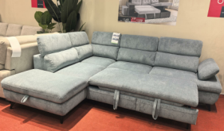 | Funky | Corner Sofabed | 281 x 98/234 x 78/98(H) | 2.27 | Run Again Fabric |  | $349.99 | 30sets/HC Pull-out bed and chaise storage and High legs Pocket Spring+28D Foam Seating Carton package
 |  |  |  |  | (As sample fabric)

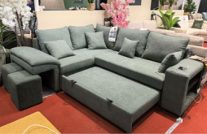 | Rena | Corner Sofabed | 250 x 92/208 x 88(H) | 1.62 | Verita Fabric |  | $289.99 | 42sets/HC Pull-out bed and 2 stools in arm Pocket Spring+28D Foam Seating Carton package
 |  |  |  |  | (As sample fabric)

 | Coco | Corner Sofabed | 266 x 98/178 x 90(H) | 1.55 | Lincoln Fabric |  | $259.99 | 44sets/HC Pull-out bed. Hidden Storage and stainless steel cup holder in Arm Pocket Spring+28D Foam Seating Carton package
 |  |  |  |  | (As sample fabric)

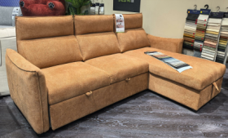 | Scala | Corner Sofabed | 245 x 87/156 x 102(H) | 1.51 | Aragon Water Repellent Fabric |  | $249.99 | 45sets/HC Pull-out bed and chaise storage. Recliner back look Pocket Spring+28D Foam Seating Carton package
 |  | Reversible |  |  | (As sample Fabric)

 | Elsa | Corner Sofabed | 245 x 85/148 x 90(H) | 1.17 | Luton Fabric |  | $179.99 | 58sets/HC Pull-out bed and chaise storage Pocket Spring+28D Foam Seating Carton package
 |  | Reversible |  |  | (As sample fabric)

 | Marlow | 3Pcs Corner | 126 x 94 x 78(H) Per one | 2.43 | G66 Fabric |  | $319.99 | 28sets/HC Pocket Spring+30D Foam Seating. Plastic legs
 |  |  |  |  | (As sample fabric)

 | Casa | 2 Pcs Corner | 258 x 95/166 x 72(H) | 1.79 | Denton Wasable Fabric |  | $259.99 | 38sets/HC Pocket Spring+30D Foam Seating Carton package
 |  |  |  |  | (As sample fabric)

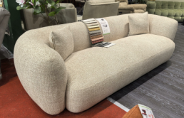 | Sophie | 4 Seater with Pillow | 250 x 98 x 76(H) | 3.58 | Silencio Fabric |  | $269.99 | 19sets/HC 30D foam + High resilient foam very comfortable Seating Carton package
 |  | 2 Seater with Pillow | 220 x 98 x 76(H) | 3.40 | (As sample fabric) |  | $239.99

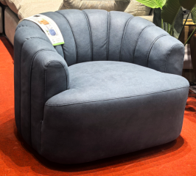 | Arizona | Swivel Chair | 101 x 92 x 74(H) | 0.76 | Nabuk Classic Fabric |  | $109.99 | 90pcs/HC Swivel Chair Pocket Spring+28D High resilient foam Seating. Carton package
 |  |  |  |  | (As sample fabric)

 | Bono-316 | 3 Seater | 207 x 92 x 98(H) | 0.79 | Luxe Fabric |  | $129.99 | 38sets/HC Darcon Foam Seating. Carton package
 |  | 2 Seater | 158 x 92 x 98(H) | 0.60 |  |  | $99.99
 |  | 1 Seater | 106 x 92 x 98(H) | 0.39 |  |  | $69.99

 | Bono-375 | 3RR+2RR+1R | 193/139/86 x 96 x 100(H) | 2.00 | Denton Washable Fabric |  | $329.99 | 34sets/HC Pocket Spring+28D Foam Seating Carton package
 |  | ( 5x Manual Recliner) |  |  | (As sample fabric)

 | Bono-313 | 3RR+2RR+1R | 191/139/82 x 95 x 95(H) | 2.00 | Luxe Fabric | 04 Sand(As sample color) | $299.99 | 34sets/HC Pocket Spring+28D Foam Seating. Carton package (this VIP price base on 3 orders to be placed together and confirm in the next 30days)
 |  | ( 5x Manual Recliner) |  |  | (As sample fabric)

 | Toronto | 7Pcs Multi Functional Electric Modular Corner Sofa | 112x105x75/94cm | 4.25 | Nappa Lux Fabric | 01 Grey(As sample) | $1,159.99 | LED LHF ER with manual adjustable headrest(arm side storage with 1 stainless metal gun black color cup holder and 1 wireless charger)Colorful LED Floor light
 |  |  | 33x100x75/91cm |  | (As sample fabric) |  |  | Console with in-built storage, 2*hidden metal gun color cupholders drawer,reading lights,hidden socket&2 USB ports，Colorful LED Floor light
 |  |  | 80x105x75/94cm |  |  |  |  | Armless chair with 1 manual adjustable headrest and drayer at the footend，Colorful LED Floor light
 |  |  | 172x106x62/123x123x62cm |  |  |  |  | Wedge,Adjustable liquor cabinet ,speaker,wireless charging,Colorful LED Floor light
 |  |  | 80x105x75/94cm |  |  |  |  | Armless chair with 1 manual adjustable headrest ，Colorful LED Floor light
 |  |  | 33x98x62cm |  |  |  |  | Console with FRIDGE，reading lights，Colorful LED Floor light
 |  |  | 112x105x75/94cm |  |  |  |  | RHF ER with manual adjustable headrest(arm side storage with 1 stainless metal gun black color cup holder and 1 wireless charger)
 | Victoria | Power 3 Seater | 222 x 99 x 110(H) | 1.45 | Nabuk Classic Fabric | TEX208-16 Taupe(As sample) | $419.99 | 47pcs/HC Power Seat, power headrest with drop down reading light/Magzine Pocket, arm with USB/Wireless charge
 |  | Power 2 Seater | 196 x 99 x 110(H) | 1.26 | Nabuk Classic Fabric |  | $379.99 | 54pcs/HC Power Seat, power headrest with Console,arm withwith Magzine Pocket/ USB/Wireless charge
 |  | Power 1 Seater | 101 x 99 x 110(H) | 0.67 | Nabuk Classic Fabric |  | $189.99 | 102pcs/HC Power Seat, power headrest, arm with Magzine Pocket/ USB/Wireless charge

Remark:
Terms: FOB China, MOQ: 1X40HQ .
Leadtime: 6-8 weeks upon receipt deposit.
Payment Term: T/T, 30% deposit, balance after container loading.

